Sheet1
Question 2

 |  | Runtime Comparison:

 |  | astO0.out | astO3.out
 | 1 | 451331 | 314169
 | 2 | 405915 | 313195
 | 3 | 404915 | 312217
 | 4 | 403954 | 312198
 | 5 | 403953 | 318176
 | 6 | 405914 | 317204
 | 7 | 401886 | 315190
 | 8 | 403918 | 314194
 | 9 | 411933 | 313184
 | 10 | 406896 | 320143

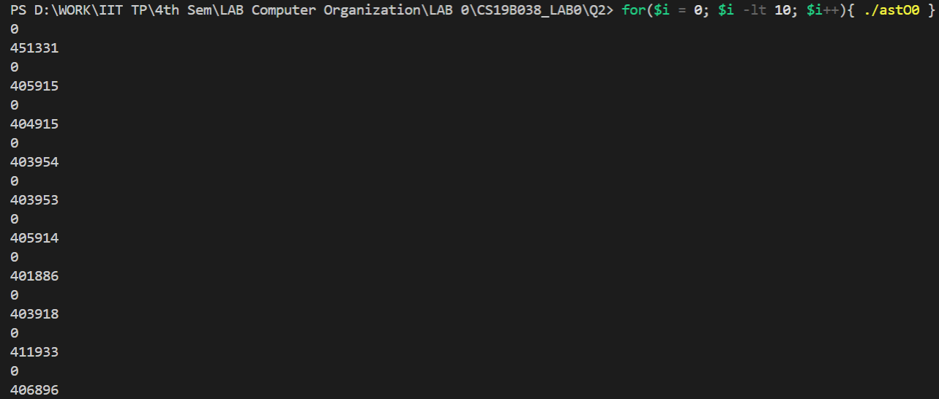

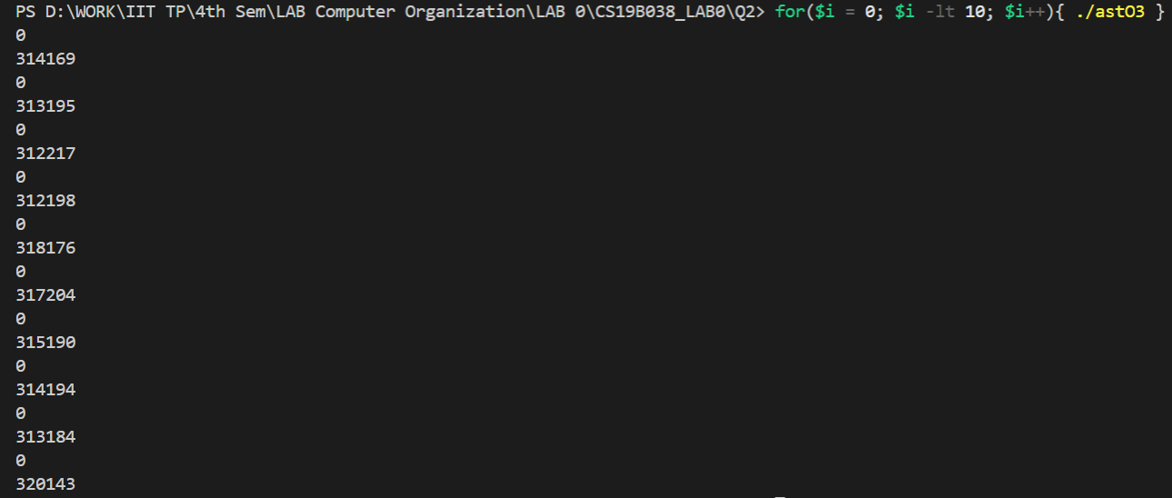

 |  | Inference (Same as Question 1)
 |  | The flaf -Olevel is used for optimization. Level=3 has some level of optimization whereas Level=0 has normal compilation.
 |  | Hence both the file-size and execution time for astO3.out is lesser than astO0.out

